LEAD TIME SHEET
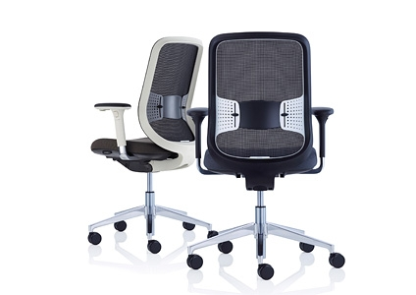

 |  | Product Lead-Time

For Orders Placed: W/C |  | 2025-04-28

Orders must be received by: |  | Thursday 5PM
Product |  |  | Lead-time in Weeks (Delivery in-line with Postcode Schedule) |  | Comments
***Please be aware that any SPR's or Chrome Finish will potentially extend the lead times published below***
Task Chairs - Task 1
SpiraPlus |  |  | 4 | 2025-05-26 | *
Flo |  |  | 4 | 2025-05-26 | *
Eva |  |  | 4 | 2025-05-26 | Please Note > POLISHED BASE - will be on a 6 WEEK LEAD TIME until further notice
Being |  |  | 4 | 2025-05-26
AllowMe |  |  | 4 | 2025-05-26 | Please Note > BLACK GAS LIFT will be on a 6 WEEK LEAD TIME until further notice
RECUR |  |  | 4 | 2025-05-26 | Please Note > The following MESH COLOURS will be on a 8 WEEK LEAD TIME > CHARTREUSE / CHOCOLATE / CLARET / MIDNIGHT / PINE / STONE / VERDIGRIS / TERRACOTTA
Task Chairs - Task 2
Joy - Standard |  |  | 4 | 2025-05-26 | *
Joy-OH |  |  | 2 | 2025-05-12
Task Chairs - Task 3
Do - Standard + Polished |  |  | 4 | 2025-05-26 | *
Visitor / Meeting Chairs
Workdays in Black |  |  | 4 | 2025-05-26 | * ONLY available for UK Markets *
Workdays in White |  |  | 5 | 2025-06-02 | * ONLY available for UK Markets *
Acorn Black and White |  |  | 5 | 2025-06-02
Acorn Colours |  |  | 6 | 2025-06-09
Calder |  |  | 6 | 2025-06-09
Cor's - IN BLACK FRAME |  |  | 6 | 2025-06-09 | Linking version & Showwood on a 10 WEEK lead time
Cor's - IN CHROME FRAME |  |  | 6 | 2025-06-09 |  | 10 | Wks | 2025-07-07
Cubb |  |  | 5 | 2025-06-02
Cubb in Chrome |  |  | 6 | 2025-06-09

· Lead-times start from receipt of an official and clean customer order
· The dates suggested above are a guide only and may move out due to capacity demands
· If products are required on a shorter leadtime , please contact your customer account manager to investigate
· Lead-times may be extended on orders of larger quantities
· Air Pods Supply only contact Customer Services
· Air Pods Supply only contact Customer Services | Any products with leather, Please add 2 WEEKS to the standard lead times

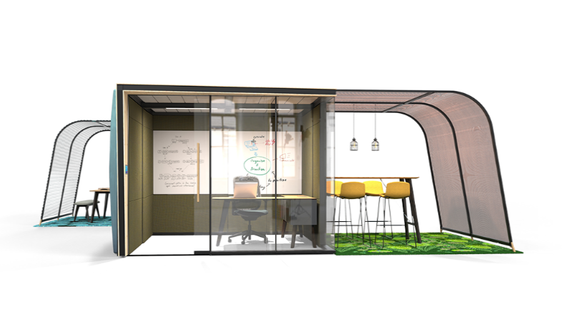

 |  | Product Lead-Time

For Orders Placed: W/C |  | 2025-04-28

Orders must be received by: |  | Thursday 5PM

Product |  |  | Lead-time in Weeks (Delivery in-line with Postcode Schedule |  | Comments
****Please be aware that any SPR's or Chrome Finish will potentially extend the lead times published below***
AWAY FROM THE DESK
Away From The Desk (No Table or with Melamine Table) |  |  | 5 | 2025-06-02 | Please refer to POWER section for lead time if power selected
Away From The Desk (With laminate Table) |  |  | 8 | 2025-06-23
Away From The Desk (With Veneer Table) |  |  | 8 | 2025-06-23
BEYOND THE DESK
Beyond The desk |  |  | 6 | 2025-06-09
Soft Seat 1
Avi |  |  | 5 | 2025-06-02
Perimeter-DB |  |  | 6 | 2025-06-09
Border |  |  | 6 | 2025-06-09 | Please Note LAMINATE option will be on a 8 WEEK Lead time
Coze-D |  |  | 5 | 2025-06-02
Ramsey, Skomer , Sully |  |  | 4 | 2025-05-26
FARNE |  |  | 6 | 2025-06-09
Soft Seating Other |  |  | 5 | 2025-06-02
Soft Seat 2
Cwtch-LB, Cwtch-HB, Coze-W, Vale, PR-HB (No Table or Melamine Table) |  |  | 5 | 2025-06-02 | Please refer to POWER section for lead time if power selected
Cwtch-LB, Cwtch-HB, Coze-W, Vale, PR-HB (with Laminate Table) |  |  | 8 | 2025-06-23
Cwtch-LB, Cwtch-HB, Coze-W, Vale, PR-HB (with Veneer Table) |  |  | 8 | 2025-06-23

AIR 3 Pods , Phonebooths & Screen Systems
Air3 Pods (Incl. Installation) |  |  | 6 | 2025-06-09 | Please note that non standard power and also SPR's may extend these lead times
On the QT |  |  | 7 | 2025-06-16 | Please note ANY with SWISS / ITALIAN power option - Will be on 10 WEEKS LEAD TIME
Coppice - Library and Focus |  |  | 6 | 2025-06-09
Coppice - Work |  |  | 8 | 2025-06-23
Woods |  |  | 6 | 2025-06-09
CAMPERS + DENS Pods
Campers & Dens (Incl. Installation) UK markets |  |  | 7 | 2025-06-16
Campers & Dens (Ex Works date) STEELCASE Markets |  |  | 7 | 2025-06-16 | MAX of 10 per week TOTAL, Combined for GSM / FRENCH / IBERIA / EMEA Markets
Campers & Dens CD05 and CD06 models with HINGED DOOR |  |  | 11 | 2025-07-14
ERCOL - Standard Products |  |  | 6 | 2025-06-09
ERCOL - Specials > Bar Stool, Chair + Armchair - in Dark (Von Range -Stained to black) |  |  | 12 | 2025-07-21
BE MY GUEST |  |  | 8 | 2025-06-23
WOOD COLLECTION
Wood Collection - COZE-L / MOSS / PEEPS / ON-YOUR-JAYS - Oak Finish |  |  | 6 | 2025-06-09 | Orders must be on System by Thursday 1st MAY to achieve this date
Wood Collection - COZE - L / MOSS / PEEPS / ON-YOUR-JAYS - all other finishes - Oak Stained to Walnut/Pearl Beech |  |  | 7 | 2025-06-16 | Orders must be on System by Thursday 1st MAY to achieve this date
LEAD TIME ON WOOD COLLECTION WITH SPR's WILL BE EXTENDED BY ADDITIONAL 4 WEEKS
Power
Pandora, Phase, Pixel, Platinum, PB unit, Pulse, Puma & Tardis |  |  | 5 | 2025-06-02 | We only hold limited stocks so may not always be available, lead time applies to standard colours only
Backflip, Framedock, Port, Square 80 |  |  | 7 | 2025-06-16 | **Please note > FRAMEDOCK in BLACK will be on a 8 WEEK Lead Time *** We may have stock available so check with Orangebox Customer services/Material Control, lead time applies to standard colours only
Turn Comfort, Twin Axis Flap |  |  | 7 | 2025-06-16 | We may have stock available so check with Orangebox Customer services/Material Control, lead time applies to standard colours only
· Lead-times start from receipt of an official and clean customer order
· The dates suggested above are a guide only and may move out due to capacity demands
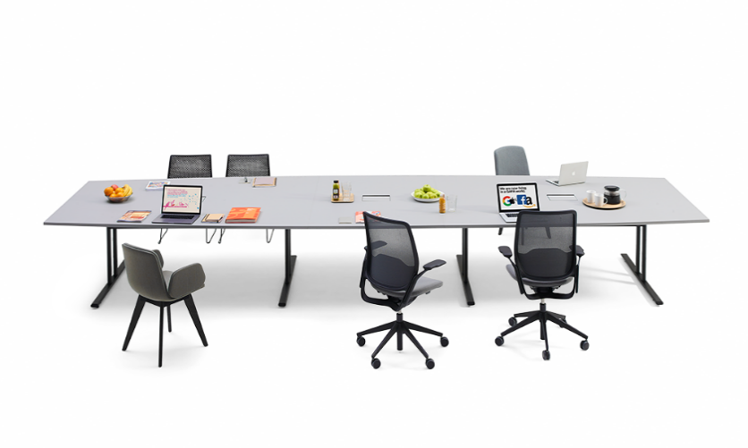
· If products are required on a shorter leadtime , please contact your customer account manager to investigate
· Lead-times may be extended on orders of larger quantities
· Air Pods Supply only contact Customer Services
· Air Pods Supply only contact Customer Services | Any products with leather, Please add 2 WEEKS to the standard lead times

 |  | Product Lead-Times

For Orders Placed: W/C |  | 2025-04-28

Orders must be received by: |  | Thursday 5PM

Product |  |  | Lead-time in Weeks (Delivery in-line with Postcode Schedule |  | Comments
Tables
***Please be aware that any SPR's or Chrome Finish will potentially extend the lead times published below***
Breaker, Pars, Convo , Obvio, Lano, Cubb tables with MELAMINE TOP |  |  | 5 | 2025-06-02 | Please refer to POWER section for lead time if power selected
Breaker, Pars, Convo , Obvio, Lano, Cubb tables with LAMINATE TOP |  |  | 8 | 2025-06-23 | Please refer to POWER section for lead time if power selected
Breaker, Pars, Convo , Obvio, Lano, Cubb tables with VENEER TOP |  |  | 8 | 2025-06-23 | Please refer to POWER section for lead time if power selected
Vari / Pars credenza in MELAMINE / Glass |  |  | 5 | 2025-06-02
Vari / Pars credenza in LAMINATE |  |  | 8 | 2025-06-23
Vari / Pars credenza in VENEER or painted doors. Including painted side + tops |  |  | 8 | 2025-06-23 | *****Note these will be installed by the veneer supplier, installl costs apply*****
Lapwing tables with Solid Oak top |  |  | 6 | 2025-06-09
ALLT Tables |  |  | 6 | 2025-06-09 | Orders must be on System by Thursday 1st MAY to achieve this date
ALLT Tables with LAMINATE TOP |  |  | 8 | 2025-06-23 | Orders must be on System by Thursday 1st MAY to achieve this date Lead times may differ due to FINISH and STOCK please check with supply chain for latest lead times
Library Tables |  |  | 6 | 2025-06-09 | Orders must be on system by Thursday 1st MAY to achieve this date COPPER LIGHT STRIP > PLEASE ADD 4 WEEKS LEAD TIME
BAE Tables |  |  | 6 | 2025-06-09 | Orders must be on system by Thursday 1st MAY to achieve this date COPPER LIGHT STRIP > PLEASE ADD 4 WEEKS LEAD TIME
BAE - ON EXTENDED LEAD TIME > Bae 05/Bae 06/Bae 07/Bae 08/Bae 21/Bae 22/Bae 23/Bae 24 |  |  | 14 | 2025-08-04 | Orders must be on System by Thursday 1st MAY to achieve this date
Tabling Power
Pandora, Phase, Pixel, Platinum, PB unit, Pulse, Puma & Tardis |  |  | 5 | 2025-06-02 | We only hold limited stocks so may not always be available
Backflip, Framedock, Port, Square 80 |  |  | 7 | 2025-06-16 | ***Please note > FRAMEDOCK in BLACK will be on a 8 WEEK Lead Time*** We may have some stock so check availability with Orangebox Customer services/Material Control
Turn Comfort, Twin Axis Flap |  |  | 7 | 2025-06-16 | We may have some stock so check availability with Orangebox Customer services/Material Control
THE LEAD TIME ON TABLES WITH SPR's (special requirements) WILL BE EXTENDED ON AVERAGE BY 2 WEEKS

· Lead-times start from receipt of an official and clean customer order
· The dates suggested above are a guide only and may move out due to capacity demands
· If products are required on a shorter leadtime , please contact your customer account manager to investigate
· Lead-times may be extended on orders of larger quantities
* THESE ITEMS WILL REMAIN AT 4 WEEKS WHERE POSSIBLE
· Air Pods Supply only contact Customer Services
· Air Pods Supply only contact Customer Services | Any products with leather, Please add 2 WEEKS to the standard lead times
DEPENDING ON QUANTITY, CHROME OR POLISHED FINISH PRODUCTS ARE USUALLY ON EXTENDED LEAD TIME > PLEASE CHECK WITH SUPPLY CHAIN

BDM Postcode + Delivery Areas
